Sheet1
Name: | YEVGENY GRAZIO MARI ALBANO | Exercise/Laboratory: | Service Portal Introduction
Block/Section: | IT 5108 | Date: | 11 / 11 / 2023
Github Repository Link:
Service Now Home Page With a Logo (Center Banner, Men with hard hats) 3 added containers above Set body font to “Courier” 2 widgets: Appsec Confirmation and Breakout Game

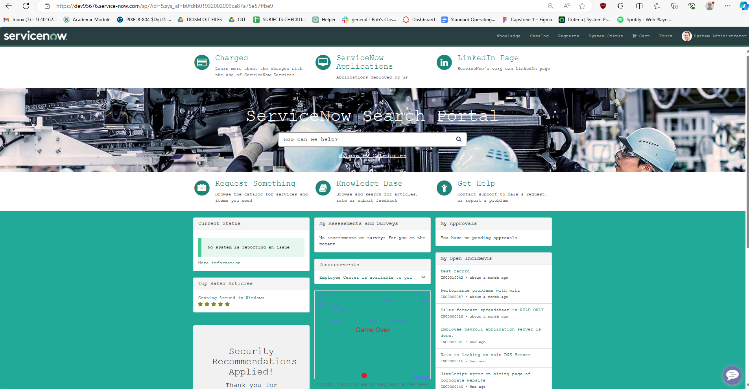

Laboratory #5

Laboratory #5

